Application Screen
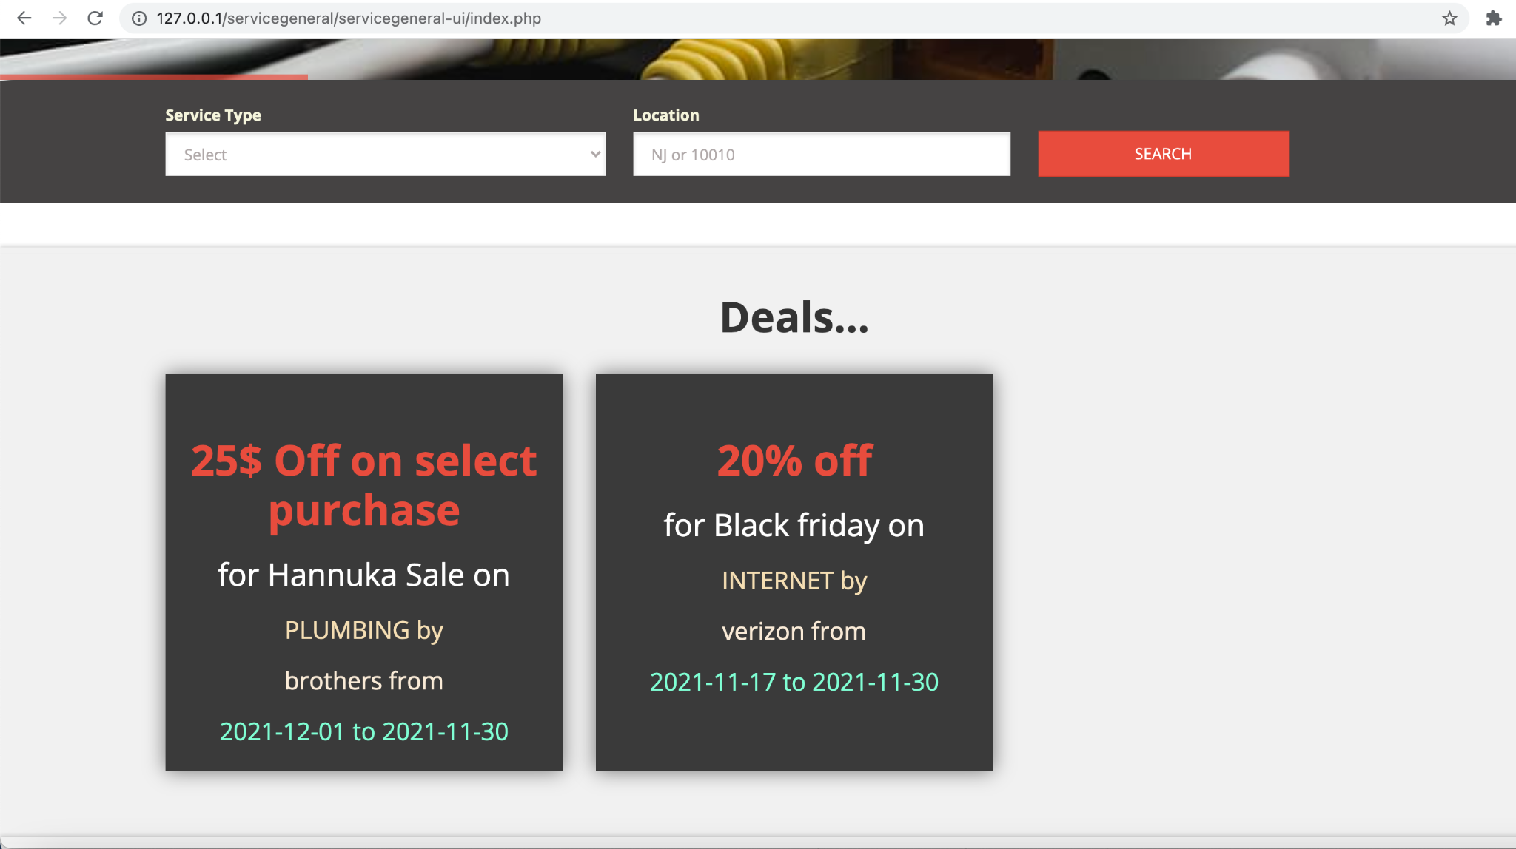
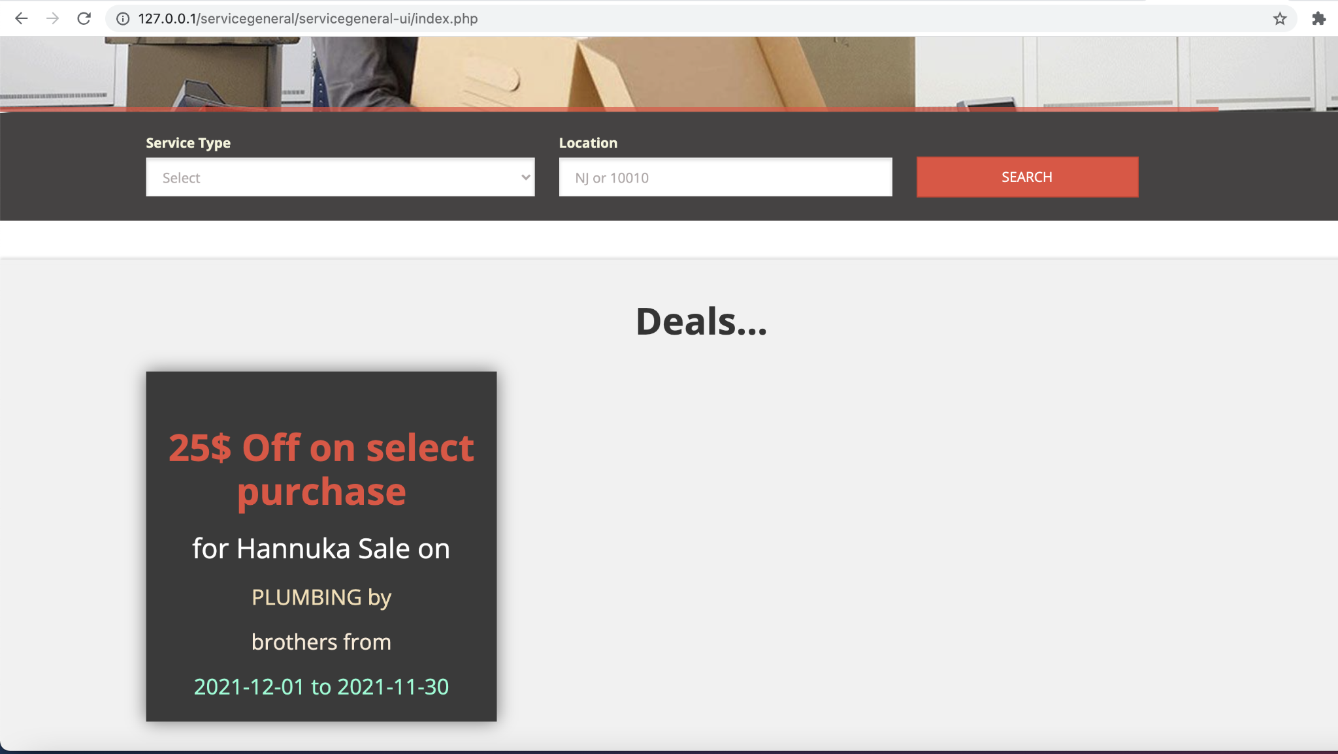

Test Case 2
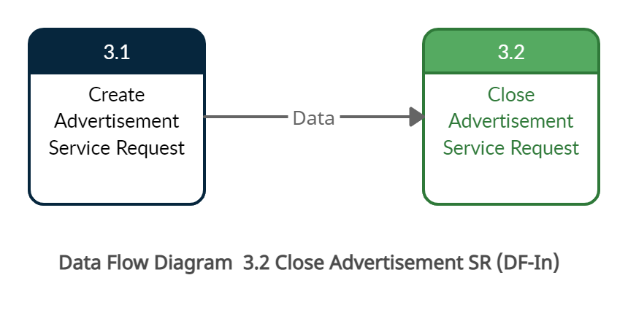
TC Title: | TC2. 03.02 Close Advertisement SR - Data Flow In

TC Objective: | The objective of this test case is to verify that advertisement closes based on end date provided during Create Advertisement

TC Description
 | Step | Step Description | Expected Results
 | 1 | User logs in with valid credentials of service provider | Display user portal
 | 2 | User creates an advertisement with valid start date and end date | Advertisement should be created. Consumer can see the advertisement on landing page.
 | 3 | Consumer logs in on end date of the advertisement | System should remove the advertisement based on the end date.

Test Case 3
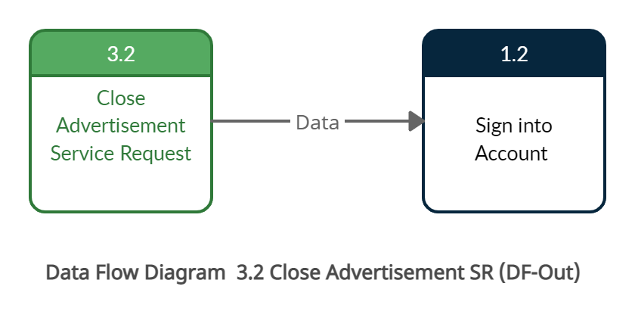
TC Title: | TC3. 03.02 Close Advertisement - Data Flow Out

TC Objective: | The objective of this test case is to verify that based on close advertisement functionality the advertisement is removed from the landing page on the end date

TC Description
 | Step | Step Description | Expected Results
 | 1 | User logs in with valid credentials of service provider | Display user portal
 | 2 | User creates an advertisement with valid start date and end date | Advertisement is created. Consumer can see the advertisement on landing page.
 | 3 | Consumer logs in on end date of the advertisement | System should remove the advertisement based on the end date.

